space
Function Type | Function Form | Param1 | Param2 | Return Type | Function/Purpose
space | SELECT(param1) | 'min headroom' |  | distance | 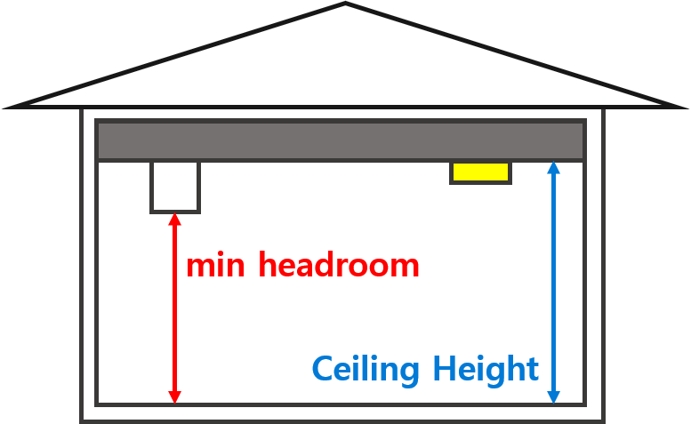 Height from the floor to the ceiling
 | SELECT(param1) | 'ceiling height' |  | distance | Height to the ceiling object
 | SELECT(param1) | 'window' |  | object array | Windows
 | SELECT(param1) | 'door' |  | object array | Doors
 | SELECT(param1) | 'wall' |  | object array | Walls
 | SELECT(param1) | 'curtainwall' |  | object array | Curtain walls
 | SELECT(param1) | 'stair' |  | object array | Stairs
 | SELECT(param1) | 'edge' |  | object array | Edges of the space
 | SELECT(param1, param2) | 'escape route' | target object array(door or stair) | route | Escape routes (array of destination objects: doors, stairs)
 | SELECT(param1) | 'connected space' |  | object array | Connected spaces allowing air flow (ventilation)
 | SELECT(param1) | 'containing space' |  | object array | Spaces contained within the space
 | SELECT(param1) | 'opening' |  | object array | Openings in the space
 | SELECT(param1) | 'clear width' |  | distance array | Clear width of the space
 | SELECT(param1) | 'side space' |  | object array | Side spaces of the space
 | SELECT(param1) | 'front back space' |  | object array | Front and back spaces of the space
 | SELECT(param1) | 'lower space' |  | object array | Lower-level spaces
 | SELECT(param1) | 'railing' |  | object array | Railings
 | SELECT(param1) | 'floor' |  | object array | Floors
 | SELECT(param1) | 'ramp' |  | object array | Ramps
 | SELECT(param1) | 'covering' |  | object array | Coverings
 | SELECT(param1) | 'beam' |  | object array | Beams
 | SELECT(param1) | 'column' |  | object array | Columns
 | SELECT(param1) | 'containing element' |  | object array | Elements contained within the space
 | SELECT(param1) | 'floor level difference' |  | distance | Floor level differences within the space
 | SELECT(param1, param2) | 'is my door' | target object(door) | boolean | Whether the door belongs to the space
 | SELECT(param1) | 'passable space' |  | object array | Spaces connected by doors or openings that allow human passage

door
Function Type | Function Form | Param1 | Param2 | Return Type | Function/Purpose | Remark
door | SELECT(param1, param2) | 'is inward' | target object(space) | boolean | Whether it is an inward-opening door
 | SELECT(param1) | 'clear opening' |  | distance | Width of the door
 | SELECT(param1, param2) | 'has clear manoueuvring space' | 'Width × Height' array | polygon | 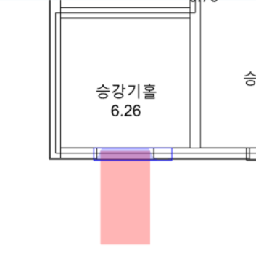 Whether the front has sufficient manoeuvring space
 | SELECT(param1, param2) | 'has clear leading edge space' | 'Width x Length' | polygon | 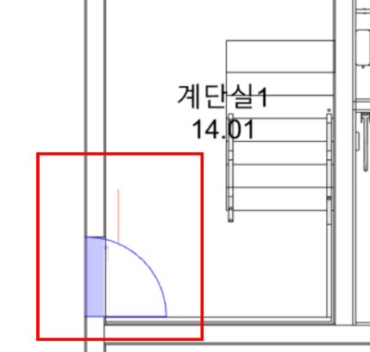 Whether there is clear space beside the door
 | SELECT(param1, param2) | 'has side space' | 'Width x Length' | polygon | 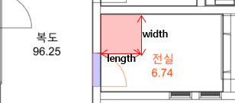 Whether there is side space next to the door
 | SELECT(param1) | 'is external entrance' |  | boolean | Whether it is an external entrance
 | SELECT(param1) | 'corridor width' |  | distance | Width of the corridor connected to the door
 | SELECT(param1) | 'outward space' |  | object array | Space located outside the door
 | SELECT(param1, param2) | 'outward obstacle' | 'distance, height' | object array | Obstacle outside the door
 | SELECT(param1) | 'operation type' |  | string | Door operation type | DoorStyleOperation
 | SELECT(param1) | 'outward ramp' |  | object array | Ramp located in the outward direction of the door
 | SELECT(param1) | 'low level ramp' |  | object array | Ramp installed on the side with lower floor level
 | SELECT(param1, param2) | 'is on same line' | target object | boolean | Whether the door or window is aligned with another object
 | SELECT(param1) | 'floor difference' |  | distance | Floor level difference inside and outside the door
 | SELECT(param1) | 'is double door' |  | boolean | Whether it is a double door

railing
Function Type | Function Form | Param1 | Return Type | Function/Purpose
railing | SELECT(param1) | 'is left' | boolean | Is the handrail located on the left side
 | SELECT(param1) | 'is continuous' | boolean | Is the handrail continuous
 | SELECT(param1) | 'extension' | distance array | 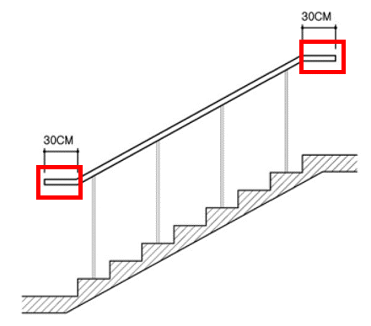 Length of the horizontal handrail
 | SELECT(param1) | 'grip width' | distance | Width of the handrail
 | SELECT(param1) | 'is wall-mounted' | boolean | Is the handrail wall-mounted
 | SELECT(param1) | 'distance from wall' | distance | Distance between the handrail and the wall

stair
Function Type | Function Form | Param1 | Param2 | Return Type | Function/Purpose
stair | SELECT(param1) | 'riser height' |  | distance array | Height of the stair riser
 | SELECT(param1) | 'tread width' |  | distance array | Width of the stair tread
 | SELECT(param1) | 'clear width' |  | distance | Effective width of the stair (minimum width of the tread)
 | SELECT(param1) | 'rail height' |  | distance array | Height of the stair handrail
 | SELECT(param1) | 'rail' |  | object array | All handrails
 | SELECT(param1) | 'riser count' |  | distance array | Number of stair risers
 | SELECT(param1) | 'clear landing width' |  | distance array | Effective width of the stair landing
 | SELECT(param1) | 'is spiral' |  | boolean | Is it a spiral staircase
 | SELECT(param1) | 'landing' |  | object array | Objects of the stair landing
 | SELECT(param1) | 'flight' |  | object array | Flights of stairs
 | SELECT(param1) | 'is direct' |  | boolean | Is it a direct staircase
 | SELECT(param1) | 'is connected to lower storey' |  | boolean | Whether the stairs are connected to the lower storey
 | SELECT(param1) | 'short tread edge' |  | 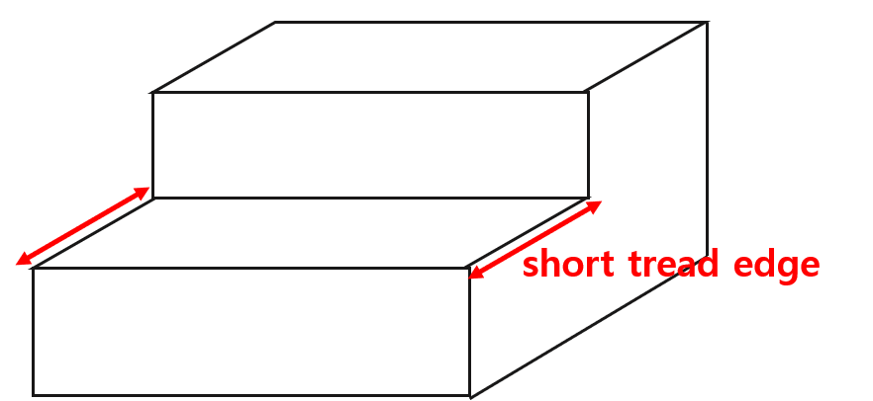 object array | Short edge of the stair tread
 | SELECT(param1) | 'long tread edge' |  | object array | 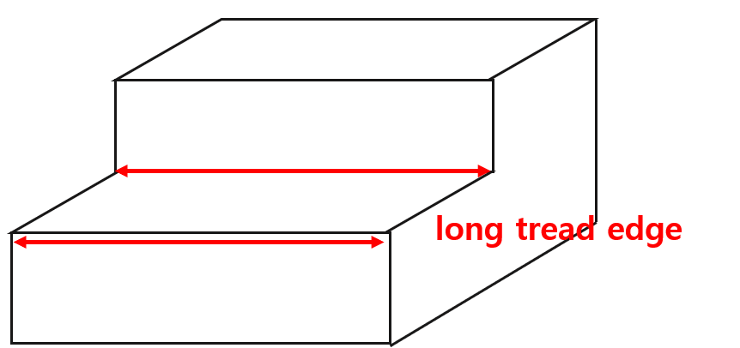 Long edge of the stair tread
 | SELECT(param1, param2) | 'distance' | target object(stair) | distance | Distance between the entry points of two stairs

window
Function Type | Function Form | Param1 | Return Type | Function/Purpose
window | SELECT(param1) | 'opening area' | area | Area of the window opening
 | SELECT(param1) | 'lower edge height' | distance array | 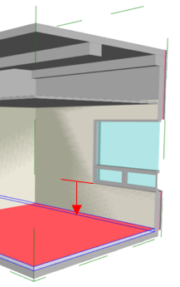 Height from the lower edge of the window to the floor finish
 | SELECT(param1) | 'dist from ceil' | distance | 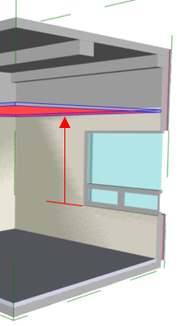 Distance from the lower edge of the window to the ceiling
 | SELECT(param1) | 'railing' | object array | Railing of the window
 | SELECT(param1) | 'wall related' | object array | Wall adjacent to the window

